Sheet1
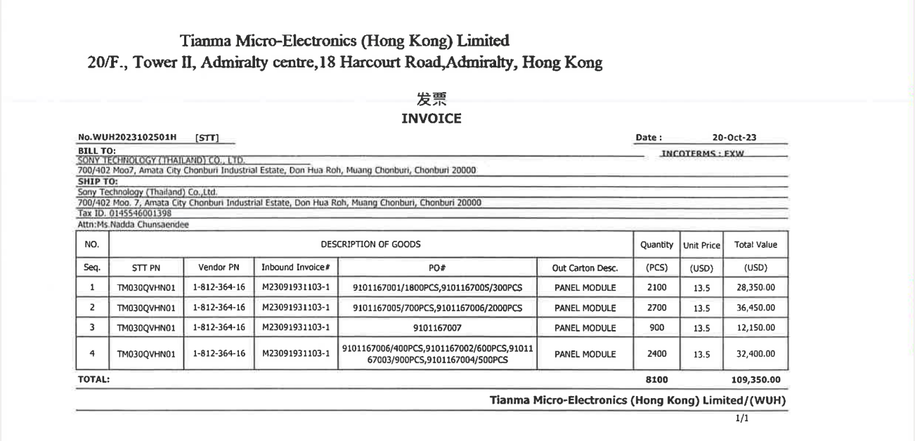

INVOICE_NO

ITEM_NO
PO_NO

